1. Title Page
[Project Name]

Project Name: Instacart Grocery Basket Analysis
Date: September 28th, 2023
Analyst Name: Petar Kletnikoski

Contents:
Population Flow
Consistency checks
Wrangling steps
Column derivations
Visualizations
Recommendations

2. Population Flow
Title page

Population flow

Exclusion flag
Condition: max_order < 5
Obervations to be removed: 1,440,295
Final total count of order_products_all: 30,964,564

Orders_products_combined
Orders_products_merged
Orders_products_all

Total: 32,404,859
Total: 32,404,859
Total: 32,434,489

1.) The grey boxes in the first row of the population flow represent the original data sets as they were when you downloaded them. In the Total fields you need to add the count of the rows when you imported the data set into Jupyter.
2.) The second row of boxes (coloured) represents the data sets after you manipulated them, e.g., removed missing values and duplicates. In the Total fields you need to add the count of the rows after conducting these operations. This offers a visual oveview of how the data flows throughout the data consistency checks.
3.) The third row, where also the arrows are coloured, represents the merges you performed between the datasets. In the Total fields you need to add the count of the rows in the merged datasets, so that you end up with the final dataset (in the red box). Keep in mind the final dataset should be without exclusions (based on the exclusion flag).

3. Consistency checks
 |  |  |  | Title page
Consistency checks

Dataset | Missing values | Missing values treatment | Duplicates
orders | There are 206,209 missing values in the 'days_since_prior_order column. | No action taken. These values indacate new orders. | There were no duplicates.
products | There are 16 missing values in 'product_name' column. | The missing values were removed. | 5 duplicate rows were found and deleted.
orders_products_prior | No missing values found. | N/A - No missing values found. | No duplicate values were found.
customers | There are 11,259 missing values in the 'first_name' column. | No action taken. Due to PII issues, the column was deleted. | No duplicate values were found.

4. Wrangling steps
 |  |  |  | Title page
Wrangling steps

Columns dropped | Columns renamed | Columns' type changed | Comment/Reason
eval_set' |  |  | Unnecessary column for analysis.
First Name' |  |  | PII column
surname' | Last Name |  | PII column
 | Age to age |  | For consistency
 | STATE' to 'state' |  | For consistency
 | days_since_prior_order to days_since_last_order |  | For clarity
 |  | user_id | Changed the type of column to string.
 |  | order_id | Changed the type of column to string.

5. Column derivations
 |  |  |  | Title page

Column derivations and aggregations

In this tab you should add tables below that the frequences of flags/label variables that you produced after deriving them. NB: don't do this for continuous variables, only for flags.
Dataset | New column | Column/s it was derived from | Conditions
orders_products_merged_updated.pkl | busiest_day | order_dow | Busiest day: order_dow = 0 Least busy: order_dow = 4 Regulary busy: order_dow = any other result
orders_products_merged_updated.pkl | busiest_days | order_dow | Busiest days: order_dow = 0 or 1 Slowest days: order_dow = 4 or 3 Regularly days: order_dow = any other result
orders_products_merged_updated.pkl | busiest_period_of_day | order_hour_of_day | Most Orders: order_hour_of_day = 10, 11, 14, 15, 13, 12, 16, 9 Fewest Orders: order_hour_of_day = 23, 6, 0, 1, 5, 2, 4, 3 Average Orders: order_hour_of_day = any other result
orders_products_merged_updated.pkl | price_rance_loc | prices | Low-range product: price <= 5 Mid-range product: price > 5 and <= 15 High range: price >15
ords_prods_dept_merged.pkl | loyalty_flag | max_order | Loyal customer: max_order > 40 Regular customer: max_order > 10 and <= 40 New customer: max_order <=10
ords_prods_dept_merged.pkl | spending_flag | average_price | Low spender: spending_flag < 10 High spender: spending_flag >= 10
ords_prods_dept_merged.pkl | order_frequency_flag | median_prior_orders | Frequent customer: median_prior_orders <= 10 Regular customer: median_prior_orders > 10 and <= 20 Non-frequent customer: median_prior_orders > 20
ords_prods_dept_merged.pkl | region | state | Northeast: State = ['Maine', 'New Hampshire', 'Vermont', 'Massachusetts', 'Rhode Island', 'Connecticut', 'New York', 'Pennsylvania', 'New Jersey'] Midwest: State = ['Wisconsin', 'Michigan', 'Illinois', 'Indiana', 'Ohio', 'North Dakota', 'South Dakota', 'Nebraska', 'Kansas', 'Minnesota', 'Iowa', 'Missouri'] South: State = ['Delaware', 'Maryland', 'District of Columbia', 'Virginia', 'West Virginia', 'North Carolina', 'South Carolina', 'Georgia', 'Florida', 'Kentucky', 'Tennessee', 'Mississippi', 'Alabama', 'Oklahoma', 'Texas', 'Arkansas', 'Louisiana'] West: State = ['Idaho', 'Montana', 'Wyoming', 'Nevada', 'Utah', 'Colorado', 'Arizona', 'New Mexico', 'Alaska', 'Washington', 'Oregon', 'California', 'Hawaii']
ords_prods_dept_merged.pkl | customer_activity | max_order | low activity: max_order < 5 high activity: max_order >= 5
ords_prods_dept_merged.pkl | age_group | age | 18-29: Age <= 29 30-39: Age > 29 and < 40 40-49: Age > 39 and < 50 50-59: Age > 49 and < 60 60-69: Age > 59 and < 70 70 and over: Age > 69
ords_prods_dept_merged.pkl | income_group | income | Lower: income <= 75000 Middle: income > 75000 and <= 120000 Upper: income > 120000
ords_prods_dept_merged.pkl | customer_profile | n_depandents | Single adult: depandents = 0 Young parent: dependants > 0 Family: dependents <= 2 Big Family: dependents > 2

6. Visualizations
 |  |  |  | Title page
In this tab you should include all the visualtions from Exercises 4.9 and 4.10, alongside the questions from the project brief that they answer. Include any commentary on the relationship between different variables.
Visualisations

1. The sales team needs to know what the busiest hours of the day are (i.e., the times with the most orders) in order to schedule ads at times when there are fewer orders.



The histogram displays the relationship between the hour of the day & the number of orders.
By viewing this histogram the peak hours of ordering instacart are approx 9AM to 4 PM and on a steady decline after 5 pm through the night. a small little increase around midnight. but once again low until about 5/6am

2. They also want to know whether there are particular times of the day when people spend the most money, as this might inform the type of products they advertise at these times.
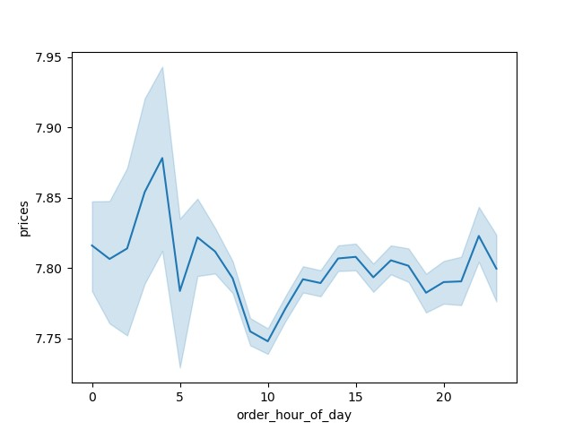

 | This line chart, shows the relationship between prices and hour of the day.
 | There is a dip between hours midnight & 2 AM. Then another dip at 4 AM.

3. The sales team needs to know what are the busiest days of the week (i.e., the times with the most orders) in order to schedule ads at times when there are fewer orders.

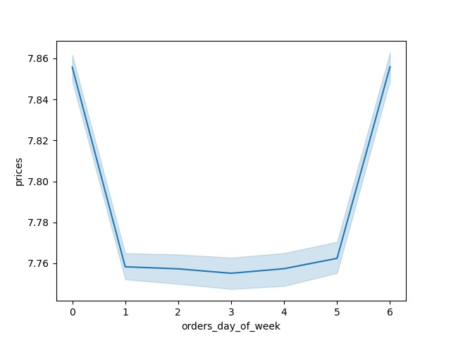

 | This line chart, shows the relationship between prices and the orders by days of the week.
 | The peaks on days zero and six mean that most money is spent on Friday and Saturday. This might be due to people stocking up on things before the weekend.

4. The marketing and sales team want to know which departments have the highest frequency of product orders.

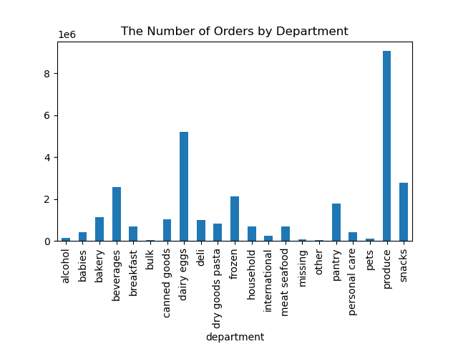

 | The 4 departments with the highest frequency of orders are:
 | 1) Produce
 | 2) Dairy Eggs
 | 3) Beverages
 | 4) Snacks

5. What's the distribution among users in regards to their brand loyalty (i.e., how often do they return to Instacart)?
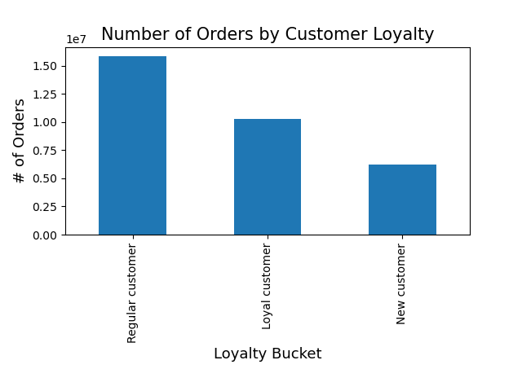

 | Regular customers have the most orders pre customer (1.5), while new customers have the least (0.62).

6. Are there differences in ordering habits based on customer's region?

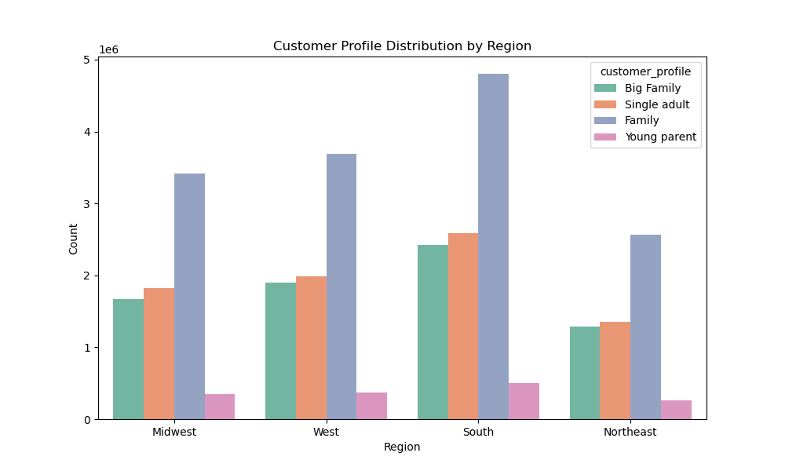

 | Families have the most orders across all regions, while young parents have the least.

7. Is there a connection between age and family status in terms of ordering habits?

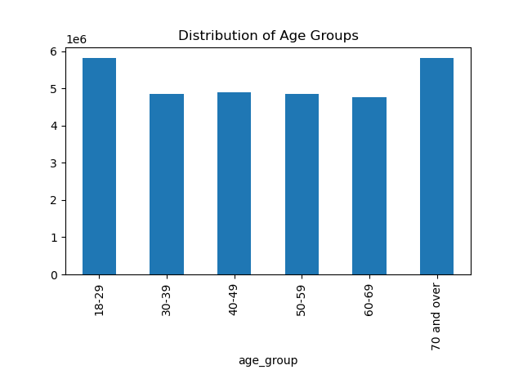
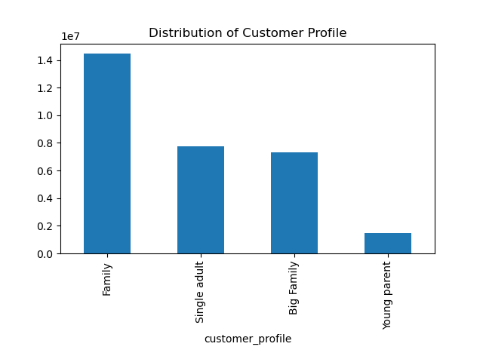

 | The age groups with the most orders are: |  | Families account for the most orders while young parents account for the least.
 | 18-29
 | 70 and over

 | 8. Is there a connection between age and spending power (income)?
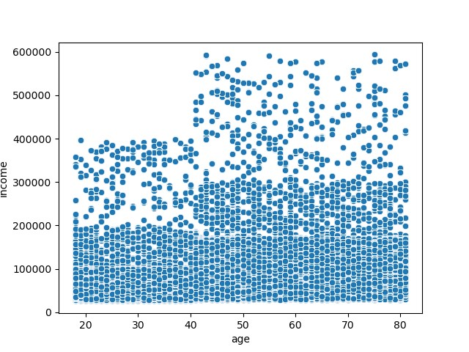

 | There seems to be a relationship as people above the age of 40 have a higher income

9. What differences can you find in ordering habits of different customer profiles? Consider the price of orders, the frequency of orders, the products customers are ordering, and anything else you can think of.

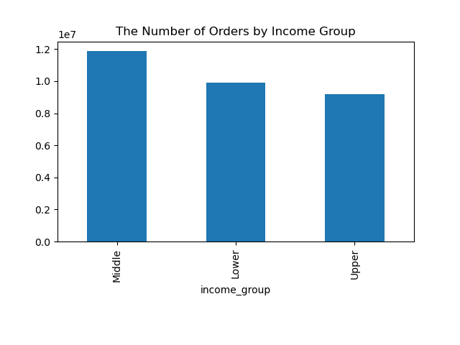
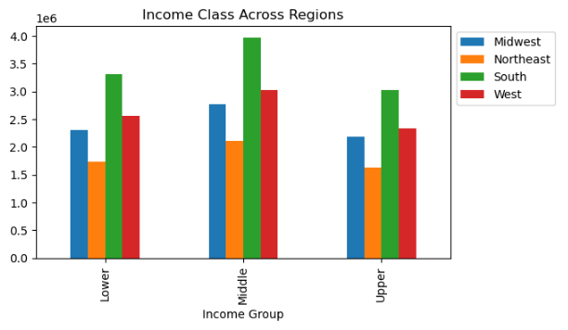

 |  | Middle income customers account for the most orders. | The south has the most orders across income groups.
 |  |  | The northeast has the least orders across income groups.

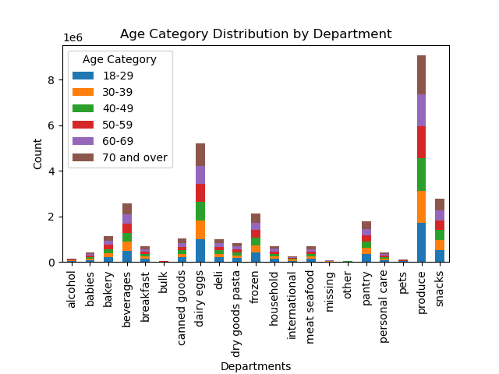
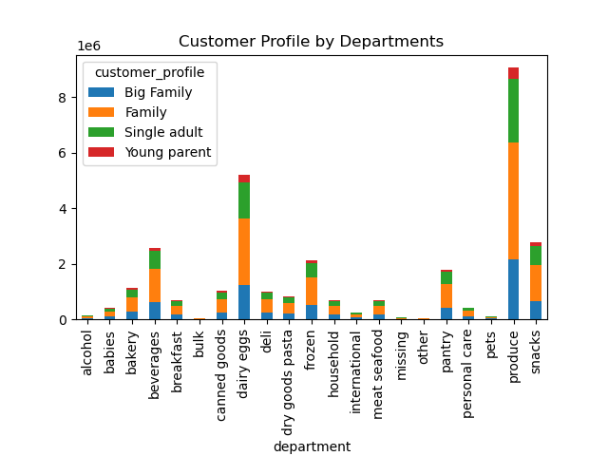

 |  | Age range has a fairly even distribution across departments. | Young parents have the smallest distribution across departments.

7. Recommendations
Title page

Recommendations

In this tab you should include any recommendations you would made to Instcart in terms of their marketing strategy based on the questions posed in the brief. Every key question has been covered in the Tasks of the Exercises - here you need to add an item - a visualisation or table/crosstable that is showing the answer in the data, acompanied by a comment from you. Please, list the questions below and add the answer underneath.

1) The sales team needs to know what the busiest hours of the day are (i.e., the times with the most orders) in order to schedule ads at times when there are fewer orders.
Observation: The histogram displays the relationship between the hour of the day & the number of orders. It clearly shows the orders start to peak between 10 & 11AM. Then slowly tapers off during the afternoon hours, suggesting lunch time is the busiest time of day.
Recommendation: Run ads and promotions that target the slower times of day. For example: Receive a discount if you place an order before 10AM.

2) They also want to know whether there are particular times of the day when people spend the most money, as this might inform the type of products they advertise at these times.
Observation: This line chart, shows the relationship between prices and hour of the day. There is a dip between hours midnight & 2 AM. Then another dip at 4 AM.
Recommendation: Run advertisements and promotions that target times where people are spending more. In this case 5AM to 10PM.

3) The sales team needs to know what are the busiest days of the week.
Observation: This line chart, shows the relationship between prices and the orders by days of the week. The peaks on days zero and six mean that most money is spent on Friday and Saturday. This might be due to people stocking up on things before the weekend.
Recommendation: Run advertisements and promotions that target dayswhere people are spending more. In this case Friday and Saturday.

4) Are their certain types of products that are more popular than others? The marketing and sales team want to know which departments have the highest frequency of product orders.
Observation: The 2 departments with the highest frequency of orders are: (1) Produce and (2) Dairy Eggs
Recommendation: Run promotions on items related to produce and dairy eggs. This hope is that when a customer is placing an order for these items that are purchased frequently, they would also get something else, thus increasing the average order size.

5). What's the distribution among users in regards to their brand loyalty (i.e., how often do they return to Instacart)?
Observation: Regular customers have the most orders pre customer (1.5), while new customers have the least (0.62).
Recommendation: Run promotions for new customers. For example, new customers receive a 10% discount when order 5 or more products.

6) Are there differences in ordering habits based on customer's region?
Observation: Families have the most orders across all regions, while young parents have the least.
Recommendation: Run promotions targeting young parents. For example, discounts for baby products.

7) Is there a connection between age and family status in terms of ordering habits?
Observation: The age groups with the most orders are “18-29” and “70 and over”. Families account for the most orders while young parents account for the least.
Recommendation: Run promotions targeting customers between the ages of 30 and 69. I would also Run promotions targeting young parents. (See question #5)

8) What differences can you find in ordering habits of different customer profiles? Consider the price of orders, the frequency of orders, the products customers are ordering, and anything else you can think of.
Observation:
a) Middle income customers account for the most orders.
b) The south has the most orders across income groups. The northeast has the least orders across income groups.
c) Age range has a fairly even distribution across departments.
d) Young parents have the smallest distribution across departments.
Recommendation:
a) Run promotions targeting lower income customers.
b) Run ads and promotions targeting the northeast.
c) Since age have an even distribution across departments I would focus on the recommendation for question #6)
d) Since young parents have an even distribution across departments I would focus on the recommendation for question #5)

